Application form
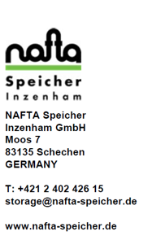
APPLICATION FOR ALLOCATION OF FLEXIBLE STORAGE CAPACITY

This is the Application for Allocation of Flexible Storage Capacity (hereinafter the "Application") as published in the Invitation to Apply for Flexible Storage Capacity (hereinafter the "Invitation").

The Participant identified below hereby applies for the allocation of Flexible Storage Capacity pursuant to the terms and conditions of the Invitation and the General Terms and Conditions for Storage Facility Access to NAFTA Speicher Inzenham GmbH (hereinafter the "GTCs") published by the SSO on www.nafta-speicher.de.

Instructions: Unless this Application provides otherwise, all capitalized terms used herein shall have the same meaning as ascribed to such terms in the Invitation or the GTCs. This Application shall be filled in the boxes below either electronically or legibly by handwritting and in capital letters, while following the respective provisions of the Invitation and the GTCs. Please respect the limitations as provided for in the Invitation to Tender, such as the minimum booking requirement (1 SBU).

PARTICIPANT
Company:
Address:
Country:
Contract Person:
Phone:
Email:

 | SBUs

PRICE
The Participant hereby bids the following X to be used in the formula to calculate the Fixed Storage Fee (max. 2 decimal places).

 | EUR/MWh

Signature | Signature

Name | Name

Position | Position

Date | Date

